Calculator
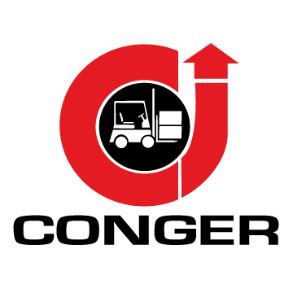 Material Handling Equipment Supplier New & Used Sales. Service. Parts. Rentals. Green Bay | Neenah | Wausau 920-499-5181 | Conger.com

Forklift Maintenance Cost Calculator
Enter your data in the yellow cells below. The numbers in red are your calculations.

Annual hours of operation (of the forklift to be serviced) | 2000
Labor to complete 250-hour service* (in hours) | 2
Labor to complete 2,000-hour service* (in hours) | 5
Cost of labor (per hour) | $50.00
Cost of parts for 250-hour service** | $40.00
Cost of parts for 2,000-hour service** | $300.00

Number of 250-hour service intervals required (per year, rounded down) | 8
Number of 2,000-hour service intervals required (per year, rounded down) | 1
Total cost of labor | $1,050.00
Total cost of parts | $620.00
Total cost of maintenance (parts + labor) | $1,670.00
Total cost of maintenance per hour | $0.84

* Labor Estimates 250-hour service 2,000-hour service Internal combustion (IC): 2-3 hours 4-6 hours Electric: 1-2 hours 4-6 hours
** Parts Estimates 250-hour service 2,000-hour service Internal combustion (IC): $40-$50 ~$300 Electric: $10-$20 $100-$200

